Wheels
 |  |  | S = Standard Equipment A = Available -- (dashes) = Not Available D = ADI Available ■ = Included in Equipment Group □ = Included in Equipment Group but upgradeable * = Indicates availability of feature on multiple models.
Orderable RPO Code | Ref. Only RPO Code | Wheels | Description | LS 1TR56 FWD / 1TV56 AWD 1LS | LT 1TU56 FWD / 1TW56 AWD 1LT | RS 1TY56 AWD 1RS | ACTIV 1TX56 AWD 1SA
 | SBO | 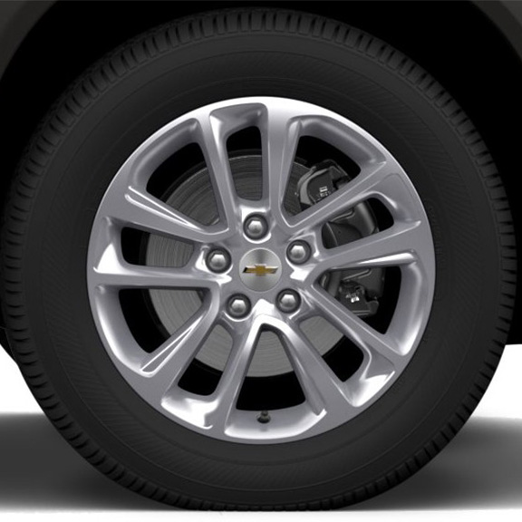 | Wheels, 17" (43.2 cm) Silver-painted aluminum | S | -- | -- | --
 | PYQ | 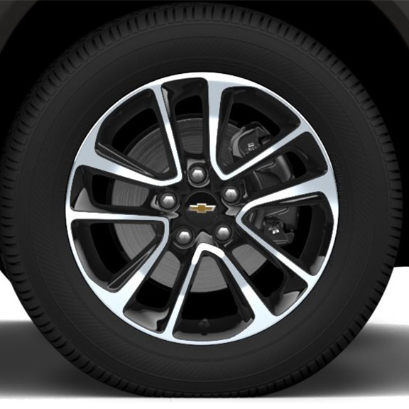 | Wheels, 17" (43.2 cm) High Gloss Black machined aluminum | -- | S | -- | --
 | REV | 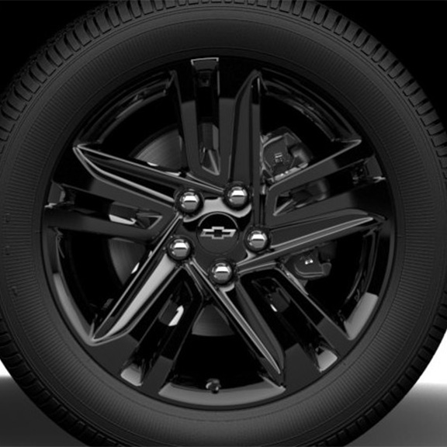 | NEW! Wheels, 18" (45.7 cm) High Gloss Black alloy with Black bowtie centre caps 1. Included and only available with (WJP) Midnight Edition. | -- | A1 | -- | --
RT1 |  | 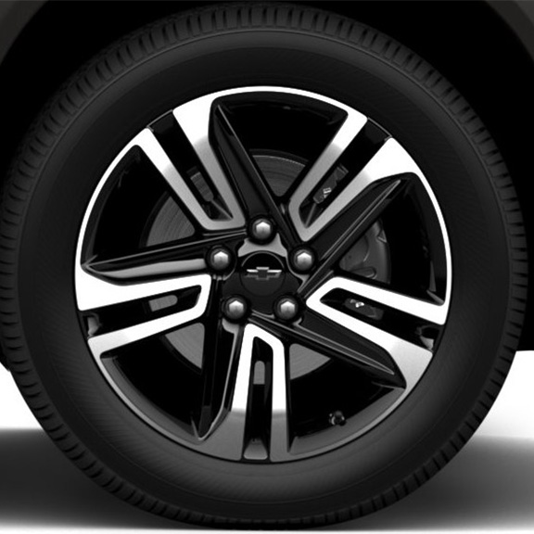 | Wheels, 18" (45.7 cm) High Gloss Black machined aluminum 1. No longer available to order. | -- | A1 | -- | --
 | RQN | 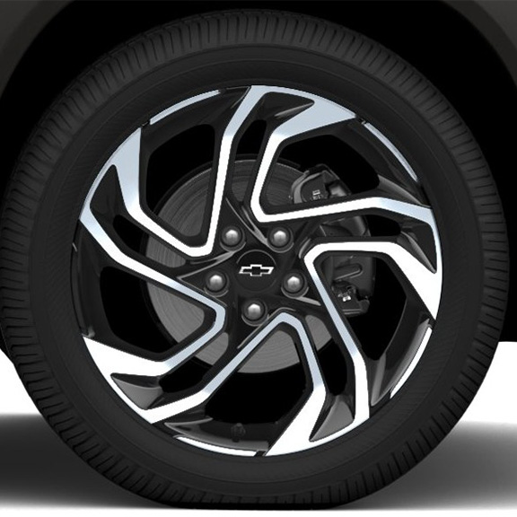 | Wheels, 19" (48.3 cm) High Gloss Black machined aluminum | -- | -- | S | --
 | MZD | 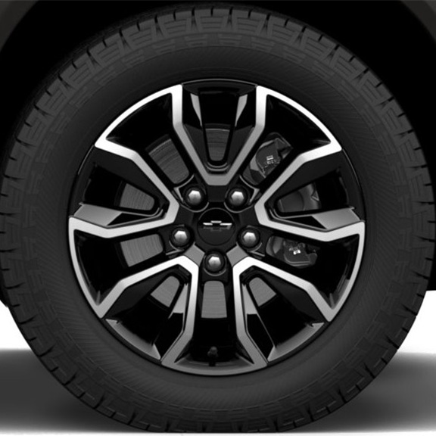 | Wheels, 17" (43.2 cm) High Gloss Black machined aluminum | -- | -- | -- | S

